FINAL FORMS

THE 3rd EUROPEAN TRADITIONAL WUSHU CHAMPIONSHIPS
17-23 May 2015
STARA ZAGORA - BULGARIA
FINAL ENTRY FORMS
deadline: 15th April 2015
 |  |  |  |  |  |  |  |  |  |  |  |  |  |  |  |  | Full age is determined by the date shown in the passport on
 |  |  |  |  |  |  |  |  |  |  |  |  |  |  |  |  | THE DAY OF REGISTRATION (which is on 18th May 2014).
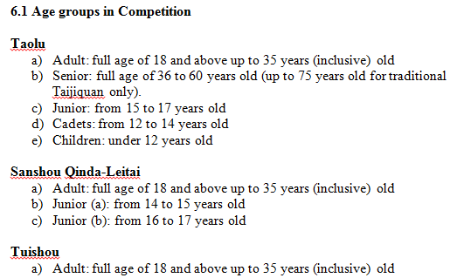
 | FEDERATION:
 | CONTACT PERSON:
 | TELEPHONE/EMAIL:

no | NAME | SEX | DATE OF BIRTH | POSITION |  |  | DUAN GRADE |  | JUDGE GRADE
 |  |  |  | TEAM COACH
 |  |  |  | TEAM COACH
 |  |  |  | TEAM JUDGE |  |  |  |  |  |  | *PLEASE WRITE THE DUAN GRADE AND THE JUDGE GRADE FOR EACH ATTENDING JUDGE
 |  |  |  | TEAM JUDGE
 |  |  |  | TEAM DOCTOR
 |  |  |  | OBSERVER
 |  |  |  | OBSERVER
 |  |  |  | OBSERVER
 |  |  |  |  |  |  |  |  |  |  |  |  |  |  |  |  | QINDA WEIGHT CATEGORIES |  | TAOLU GROUPS
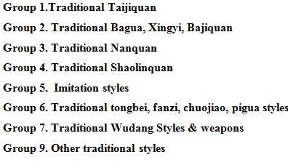
 | TEAM COMPOSITION |  |  |  |  |  |  |  |  |  |  |  |  |  |  |  | MALE | FEMALE
no | NAME | SEX | DATE OF BIRTH | AGE GROUP | QINDA | TRADITIONAL TAOLU |  |  |  |  |  |  |  |  |  | TUISHOU | -48 KG | -48 KG
 |  |  |  |  |  | BAREHAND |  | SHORT WEAPON |  | LONG WEAPON |  | DOUBLE/FLEXIBLE/ OTHER WEAPON |  | DUILIAN |  |  | -52 KG | -52 KG
 |  |  |  |  |  | GROUP | Name of style/event | GROUP | Name of style/event | GROUP | Name of style/event | GROUP | Name of style/event | WITH | barehand/weapon |  | -56 KG | -56 KG
EX | JOHN SMITH | M | 24.05.1992 | ADULT | 80 KG |  |  |  |  |  |  |  |  |  |  | 80 KG | -60 KG | -60 KG
EX | ANN SMITH | F | 24.05.1992 | ADULT |  | 1 | CHEN | 1 | CHEN JIAN |  |  | 9 | FOCHEN |  |  |  | -65 KG | -65 KG
1 |  |  |  |  |  |  |  |  |  |  |  |  |  |  |  |  | -70 KG | -70 KG
2 |  |  |  |  |  |  |  |  |  |  |  |  |  |  |  |  | -75 KG | -75 KG
3 |  |  |  |  |  |  |  |  |  |  |  |  |  |  |  |  | -80 KG
4 |  |  |  |  |  |  |  |  |  |  |  |  |  |  |  |  | -85 KG
5 |  |  |  |  |  |  |  |  |  |  |  |  |  |  |  |  | -90 KG
6 |  |  |  |  |  |  |  |  |  |  |  |  |  |  |  |  | +90 KG
7
8
9
10
11
12
13
14
15
16
17
18
19
20
21
22
23
24
25
26
27
28
29
30

 | SIGNATURE OF PRESIDENT/GENERAL SECRETARY; FEDERATION SEAL
 | DATE:

